Data
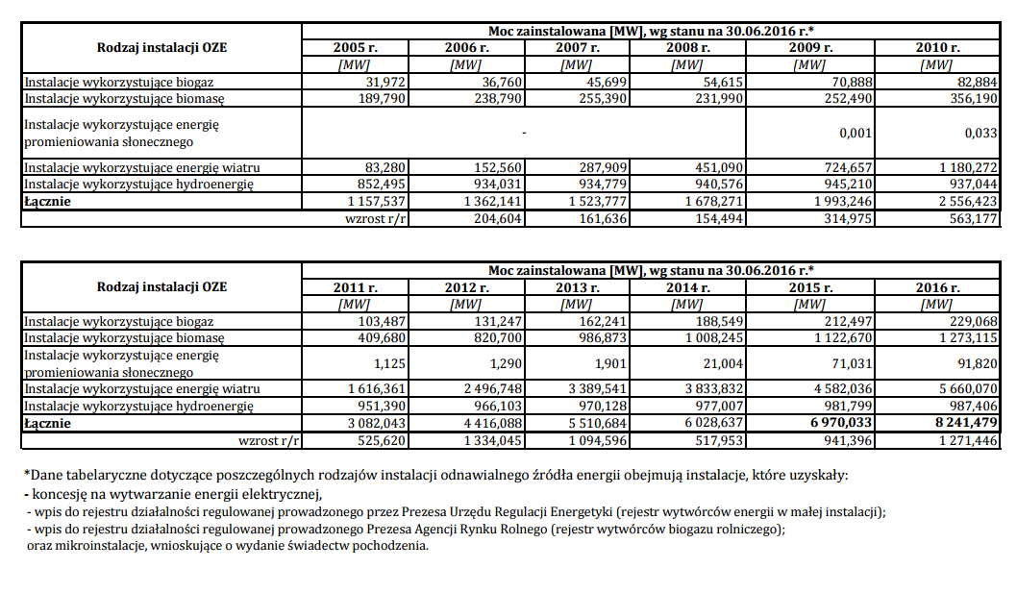
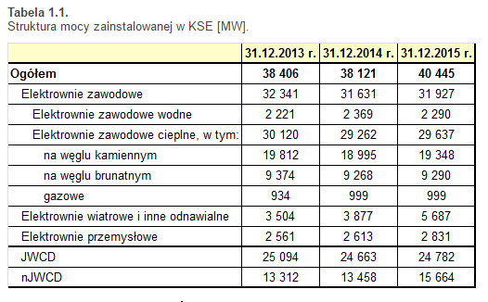
 | preexisting | preexisting nonretiring (not used in U.S. dataset) | newly built
coal | 19348 | 0 | 0
natural gas nonpeaker | 0 | 0 | 0
nuclear | 0 | 0 | 0
hydro | 2290 | 0 | 0
wind | 4582 | 0 | 0
solar PV | 71 | 0 | 0
solar thermal | 0 | 0 | 0
biomass | 1123 | 0 | 0
geothermal | 0 | 0 | 0
petroleum | 0 | 0 | 0
natural gas peaker | 999 | 0 | 0
lignite | 9290 | 0 | 0
offshore wind | 0 | 0 | 0

